Aberdeen Knockout
Tim Aberdeen Shield - Knockout Phase

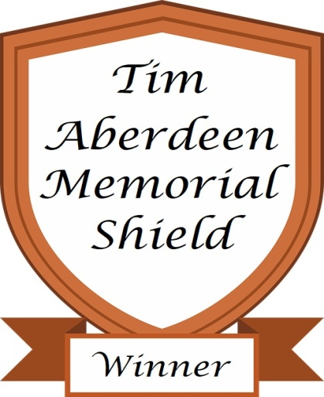
 | Quarter Final |  | Semi Final |  |  |  |  |  | Semi Final |  | Quarter Final
 | Play before Round 12 |  | Play before Round 14 |  |  |  |  |  | Play before Round 14 |  | Play before Round 12
 | Teesside |  | Stocksfield |  |  |  |  |  | Stocksfield |  | Teesside

 |  | H/C |  |  |  |  |  |  |  |  | H/C
 | Jim Rooks | 8 | * Defending Champion |  |  |  |  |  |  |  | 22 | Gordon Grant

 |  |  |  | H/C |  |  |  |  | H/C
 | Vs |  | Alan Welsh | 18 |  |  |  |  | 15 | Eddie Harrison | Vs
 |  |  | Won 3&2
 |  |  |  |  | 2021 Champion
 | Won 3&2 |  |  |  | Alan Welsh |  |  |  |  |  | Won 3&2
 | Alan Welsh | 17 |  |  |  |  |  |  |  |  | 15 | Eddie Harrison

 |  |  |  |  |  | H/C | H/C
 |  |  | Vs |  | Alan Welsh | 18 | 22 | Mark Wilson | Vs

 |  |  |  |  | Won 1 up
 |  |  |  |  | Final
 | Rico Liverani | 17 |  |  |  |  |  |  |  |  | 21 | Mark Wilson
 |  |  |  |  |  |  |  |  |  |  | Won by 1
 |  |  |  |  | Play before Houghton Finals Day
 |  |  |  |  |  |  |  |  | Won 3&1
 | Vs |  | Derek Griffiths | 23 |  |  |  |  | 22 | Mark Wilson | Vs

 | Won 2&1
 | Derek Griffiths | 28 |  |  |  |  |  |  |  |  | 13 | Dave Sanders

